A&P update (quote)
Mortgage Arrears and Possessions Update
  |  | 

Release date: 08 August 2019
UK Finance: Mortgage Arrears and Possessions Update Quarter 2 2019
. | The proportion of homeowner mortgages in arrears remains at historically low levels, with the vast majority of borrowers continuing to repay their mortgages in full and on time each month. There were 75,890 homeowner mortgages (0.84 per cent of all residential mortgages outstanding) in arrears of 2.5 per cent or more of the outstanding balance in the second quarter of 2019 , three per cent fewer than in the same quarter of 2018. Within the total, there were 23,370 homeowner mortgages with more significant arrears (representing 10 per cent or more of the outstanding balance on their mortgage), two per cent lower than in the same quarter of 2018.
. | 1,270 homeowner mortgaged properties were taken into possession in the second quarter of 2019, 15 per cent more than in the same quarter of the previous year, but well below the levels seen between 2009 and 2014 (see chart below). This slight increase in possessions has been driven in part by a backlog of historic cases which are being processed in line with the latest regulatory requirements*. Lenders continue to show flexibility to borrowers in financial difficulty and possession is always a last resort.
. | There were 4,660 buy-to-let mortgages (0.24 per cent of all buy-to-let mortgages outstanding) in arrears of 2.5 per cent or more of the outstanding balance in the second quarter of 2019, five per cent more than in the same quarter of the previous year. Within the total, there were 1,200 buy-to-let mortgages with more significant arrears (representing 10 per cent or more of the outstanding balance on the mortgage), 12 per cent higher than in the same quarter of the previous year. Although there have been some increases in buy-to-let arrears, these are small and from a low base.
. | 590 buy-to-let mortgaged properties were taken into possession in the second quarter of 2019, two per cent more than in the same quarter of the previous year.

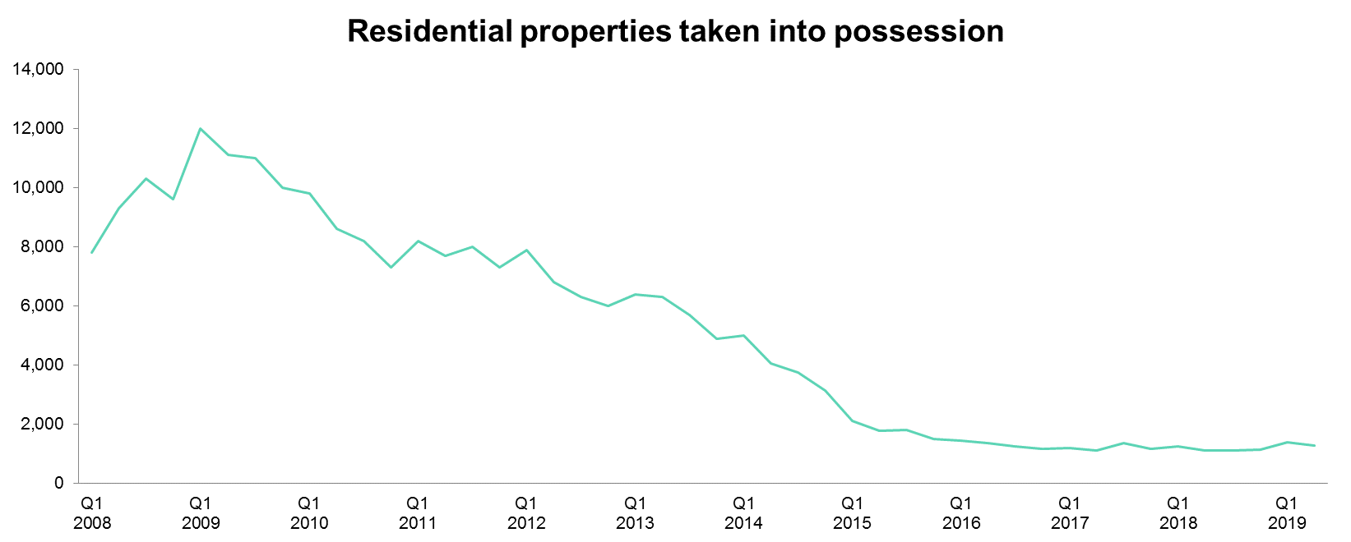

Notes to Editor
1 | For more information please call the UK Finance press office on 020 7416 6750 or email press@ukfinance.org.uk.
2 | UK Finance is the collective voice for the banking and finance industry. Representing more than 250 firms across the industry, we act to enhance competitiveness, support customers and facilitate innovation.
3 | *In 2017, the FCA introduced new guidance (FG17/4) on the treatment of customers with mortgage payment shortfalls, including the way firms calculate these customers’ monthly mortgage instalments. Lenders have been reviewing a large number of cases on an individual basis in line with this guidance, applying for possession only when all other options have been exhausted. The FCA guidance can be found here: https://www.fca.org.uk/publications/finalised-guidance/fg17-4-fair-treatment-mortgage-customers-payment-shortfall
4 | In our Q2 2019 Arrears and Possessions release, we revised the figures for buy-to-let possessions in 2018 due to an improvement in methodology.
5 | The data shown are for first charge mortgages only. Figures are reported by most UK Finance mortgage members and presented here on a grossed-up basis from that sample to reflect total market size.
6 | Arrears and possessions figures are for the UK as a whole. There is no breakdown of data for English regions or for individual countries in the UK.
7 | As of Q2 2018, all arrears and possessions figures are rounded to the nearest 10 (excluding percentages).
8 | The Ministry of Justice publishes mortgage and landlord possession statistics, which can be found here: https://www.gov.uk/government/collections/mortgage-and-landlord-possession-statistics . These include quarterly national statistics on possession claim actions in county courts by mortgage lenders and social and private landlords.
 |  | Next update: | 2019-11-14

A&P update (highlights)
Release date: 08 August 2019

 | Homeowners | Buy-to-let
16-Q2 | 88,270 | 4,870
16-Q3 | 88,010 | 4,880
16-Q4 | 88,550 | 4,930
17-Q1 | 85,930 | 4,810
17-Q2 | 83,560 | 4,700
17-Q3 | 82,200 | 4,690
17-Q4 | 81,290 | 4,670
18-Q1 | 79,670 | 4,500
18-Q2 | 78,240 | 4,440
18-Q3 | 78,780 | 4,710
18-Q4 | 77,570 | 4,690
19-Q1 | 76,580 | 4,620
19-Q2 | 75,890 | 4,660
Mortgage Arrears |  |  | Latest (19-Q2) | Y-o-Y comparison
Number of mortgages in arrears | Number of first charge mortgage loans in arrears representing over 2.5% of the outstanding balance | Homeowners | 75,890 | -3%
 |  | Buy-to-let | 4,660 | 5%

 | Arrears of 2.5%-5% of balance | Arrears of 5%-7.5% of balance | Arrears of 7.5%-10% of balance | Arrears over 10% of balance
16-Q2 | 39,980 | 16,660 | 9,040 | 22,590
16-Q3 | 38,790 | 16,450 | 8,880 | 23,890
16-Q4 | 38,270 | 16,660 | 8,860 | 24,760
17-Q1 | 36,220 | 16,100 | 8,730 | 24,880
17-Q2 | 35,200 | 15,630 | 8,600 | 24,130
17-Q3 | 34,480 | 15,050 | 8,420 | 24,250
17-Q4 | 33,810 | 14,810 | 8,290 | 24,380
18-Q1 | 32,900 | 14,590 | 8,000 | 24,180
18-Q2 | 32,140 | 14,380 | 7,870 | 23,850
18-Q3 | 32,480 | 14,260 | 7,880 | 24,160
18-Q4 | 31,710 | 13,880 | 7,970 | 24,010
19-Q1 | 31,590 | 13,700 | 7,770 | 23,520
19-Q2 | 31,280 | 13,610 | 7,630 | 23,370
 |  |  | Latest (19-Q2) | Y-o-Y comparison
Number of homeowner mortgages within arrears bands | Number of first charge homeowner mortgage loans in arrears, split by severity of arrears. | Arrears of 2.5%-5% of balance | 31,280 | -3%
 |  | Arrears of 5%-7.5% of balance | 13,610 | -5%
 |  | Arrears of 7.5%-10% of balance | 7,630 | -3%
 |  | Arrears over 10% of balance | 23,370 | -2%
 | Arrears of 2.5%-5% of balance | Arrears of 5%-7.5% of balance | Arrears of 7.5%-10% of balance | Arrears over 10% of balance
16-Q2 | 2,480 | 950 | 490 | 950
16-Q3 | 2,450 | 960 | 480 | 990
16-Q4 | 2,490 | 960 | 470 | 1,010
17-Q1 | 2,350 | 920 | 500 | 1,040
17-Q2 | 2,190 | 940 | 510 | 1,060
17-Q3 | 2,160 | 880 | 540 | 1,110
17-Q4 | 2,190 | 840 | 520 | 1,120
18-Q1 | 2,080 | 840 | 510 | 1,070
18-Q2 | 2,010 | 890 | 470 | 1,070
18-Q3 | 2,150 | 960 | 440 | 1,160
18-Q4 | 2,150 | 860 | 480 | 1,200
19-Q1 | 2,100 | 870 | 450 | 1,200
19-Q2 | 2,180 | 780 | 500 | 1,200
 |  |  | Latest (19-Q2) | Y-o-Y comparison
Number of buy-to-let mortgages within arrears bands | Number of first charge buy-to-let mortgage loans in arrears, split by severity of arrears. | Arrears of 2.5%-5% of balance | 2,180 | 8%
 |  | Arrears of 5%-7.5% of balance | 780 | -12%
 |  | Arrears of 7.5%-10% of balance | 500 | 6%
 |  | Arrears over 10% of balance | 1,200 | 12%

 | Homeowners | Buy-to-let
16-Q2 | 1,370 | 520
16-Q3 | 1,260 | 600
16-Q4 | 1,160 | 640
17-Q1 | 1,210 | 670
17-Q2 | 1,120 | 680
17-Q3 | 1,350 | 600
17-Q4 | 1,160 | 630
18-Q1 | 1,250 | 660
18-Q2 | 1,100 | 580
18-Q3 | 1,120 | 560
18-Q4 | 1,130 | 530
19-Q1 | 1,390 | 580
19-Q2 | 1,270 | 590
Mortgage Possessions |  |  | Latest (19-Q2) | Y-o-Y comparison
Number of mortgage possessions | Number of possessions of first charge mortgaged properties in period | Homeowners | 1,270 | 15%
 |  | Buy-to-let | 590 | 2%

 |  | Next update: | 2019-11-14

