A&P update (quote)
Mortgage Arrears and Possessions Update
  |  | 

Release date: 11 February 2021
UK Finance: Mortgage Arrears and Possessions Update Quarter 4 2020
. | As a direct result of payment deferrals and other tailored forbearance, mortgage arrears levels in 2020 remain near to the historically low levels that we have seen in the last three years, as shown in the chart below. Our blog (https://www.ukfinance.org.uk/news-and-insight/blogs/if-you-are-worried-about-paying-your-mortgage-speaking-your-lender-early-key) outlines how the supports available to customers have influenced the arrears and possessions figures. Since March 2020, mortgage lenders have been offering payment deferrals to customers and buy-to-let landlords where Covid-19 has impacted their ability to meet their monthly mortgage payments. 130,000 mortgage payment deferrals were in place at the end of December 2020, broadly stable since late October but down from a peak of 1.8 million in June 2020. Approximately 8 in 10 have returned to making their mortgage payments.
. | This means that mortgage payment deferrals have supported customers who were not in financial difficulty at the beginning of the pandemic to remain out of arrears, as borne out in the data. There were a total of 77,410 homeowner mortgages in arrears of 2.5 per cent or more of the outstanding balance in the fourth quarter of 2020, an increase of 2,560 on the previous quarter. Within the total, there were 28,400 homeowner mortgages in early arrears (those between 2.5 and 5 per cent of balance in arrears), an increase of only 2 per cent on the previous quarter. Earlier in 2020, the number of mortgages in early arrears increased in Q1 2020, largely due to early payment difficulties prior to payment deferrals being introduced. However, since then, payment deferrals has allowed borrowers who had found themselves in early arrears to pay these off and prevented additional borrowers from going into arrears. This resulted in a decline in early homeowner arrears in the following two quarters of 2020, larger than the increase seen in Q1. While the number of these early arrears has increased slightly by 490 cases in Q4 2020, this is lower than the number of cases before the Covid-19 pandemic began. We anticipate that the number of early arrears will increase further once the furlough scheme ends and the economic impacts of the pandemic are realised.
. | Within the total, there were 26,660 homeowner mortgages with more significant arrears (representing 10 per cent or more of the outstanding balance), an increase of 1,800 on the previous quarter. This figure has slowly increased throughout 2020 but from a low base. These increases are largely driven by customers who had several missed payments before the pandemic. These borrowers may have made use of the full six months of payment deferrals and are most likely receiving or, in need of, the help available through lenders’ tailored forbearance support.
. | There were a total of 5,840 buy-to-let mortgages in arrears of 2.5 per cent or more of the outstanding balance in the fourth quarter of 2020, an increase of only 440 on the previous quarter. The recent small increases in buy-to-let arrears from a low base are again due to the Covid-19 pandemic. Lenders are continuing to support customers through payment difficulties resulting from Covid-19. Customers are encouraged to contact their lender early to seek help.
. | Only 140 homeowner mortgaged properties and 190 buy-to-let mortgaged properties were taken into possession in the fourth quarter of 2020. 2,660 mortgages were taken into possession in total in 2020.The industry moratorium on involuntary possessions remains in place until 1 April 2021, 12 months after it began. Therefore, the low possessions numbers in 2020 for the most part reflect cases where the customer requested the possession to go ahead or where the property was vacant. Possessions will increase in 2021 driven by the backlog that did not occur in 2020 due to the possessions moratorium, almost all of which will have been in train before the pandemic. Lenders continue to show flexibility to borrowers in financial difficulty and possession is always a last resort.
 | 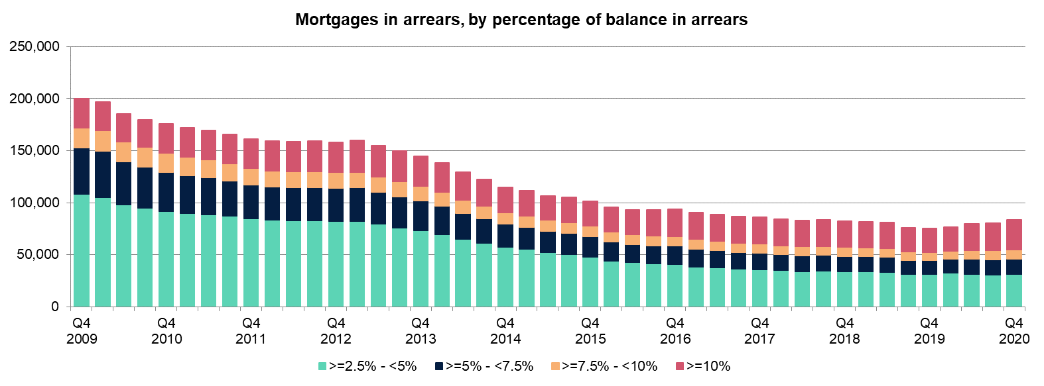
 | Commenting on the data, Eric Leenders, Managing Director of Personal Finance at UK Finance, said: “Whilst the data shows a relatively small increase in the total number of all arrears from the historic low levels seen in 2019, the support available from lenders has meant those who were not in financial difficulty at the beginning of the pandemic have remained out of arrears. Despite the modest uptick, the total number of customers in the early stages of arrears in Q4 2020 remains below the level seen at the end of 2019. “As Covid-19 continues to affect the economy, we anticipate there will be further increases in mortgage arrears during 2021. Lenders continue to help customers experiencing financial difficulties with a package of support for those who need it, including payment deferrals and tailored assistance. Additionally, the industry fully supports the moratorium on possessions which remains in place until 1 April 2021 to keep customers safe in their homes during national lockdowns. It is essential that customers who are concerned about their finances contact their lender early to discuss the options and support available to them.”

Notes to Editor
1 | For more information please call the UK Finance press office on 020 7416 6750 or mail press@ukfinance.org.uk.
2 | UK Finance is the collective voice for the banking and finance industry. Representing more than 250 firms across the industry, we act to enhance competitiveness, support customers and facilitate innovation.
3 | Following material changes to the mortgage market as a result of the Covid-19 pandemic, UK Finance has reformatted the Mortgage Arrears & Possessions update to focus on and include quarter-on-quarter movement in the data, in addition to year-on-year movement. This change has been made in order to accurately represent recent changes in the market and to make fewer comparisons to markets in materially different circumstances.
4 | The latest published statistics for covid-19 related payment deferrals can be found here: https://www.ukfinance.org.uk/press/press-releases/Lenders-continue-commitment-to-supporting-mortgage-customers-into-2021
5 | It is important to note that if a customer who is already in arrears takes a payment deferral, those arrears will not increase while the deferral is in place. However, these customers will still be captured within our figures and, once they exit the deferral, any subsequent missed payments would give rise to increases in the arrears balance as normal.
6 | The data shown are for first charge mortgages only. Figures are reported by most UK Finance mortgage members and presented here on a grossed-up basis from that sample to reflect total market size.
7 | Arrears and possessions figures are for the UK as a whole. There is no breakdown of data for English regions or for individual countries in the UK.
8 | The Ministry of Justice publishes mortgage and landlord possession statistics, which can be found here: https://www.gov.uk/government/collections/mortgage-and-landlord-possession-statistics . These include quarterly national statistics on possession claim actions in county courts by mortgage lenders and social and private landlords.
 |  | Next update: | 2021-05-13

A&P update (highlights)
Release date: 11 February 2021

 | Homeowners | Buy-to-let
17-Q4 | 81,290 | 4,670
18-Q1 | 79,670 | 4,500
18-Q2 | 78,240 | 4,440
18-Q3 | 78,820 | 4,770
18-Q4 | 77,620 | 4,720
19-Q1 | 76,640 | 4,680
19-Q2 | 75,960 | 4,720
19-Q3 | 71,590 | 4,550
19-Q4 | 70,870 | 4,390
20-Q1 | 72,350 | 4,420
20-Q2 | 74,830 | 5,010
20-Q3 | 74,850 | 5,400
20-Q4 | 77,410 | 5,840
Mortgage Arrears |  |  | Latest (20-Q4) | Q-o-Q comparison | Y-o-Y comparison
Number of mortgages in arrears | Number of first charge mortgage loans in arrears representing over 2.5% of the outstanding balance | Homeowners | 77,410 | 3% | 9%
 |  | Buy-to-let | 5,840 | 8% | 33%

 | Arrears of 2.5%-5% of balance | Arrears of 5%-7.5% of balance | Arrears of 7.5%-10% of balance | Arrears over 10% of balance
17-Q4 | 33,810 | 14,810 | 8,290 | 24,380
18-Q1 | 32,900 | 14,590 | 8,000 | 24,180
18-Q2 | 32,140 | 14,380 | 7,870 | 23,850
18-Q3 | 32,500 | 14,260 | 7,880 | 24,180
18-Q4 | 31,730 | 13,900 | 7,970 | 24,020
19-Q1 | 31,610 | 13,730 | 7,760 | 23,540
19-Q2 | 31,320 | 13,620 | 7,630 | 23,390
19-Q3 | 29,380 | 12,730 | 7,180 | 22,300
19-Q4 | 29,380 | 12,640 | 7,080 | 21,770
20-Q1 | 30,170 | 12,920 | 7,220 | 22,040
20-Q2 | 28,670 | 14,180 | 7,920 | 24,060
20-Q3 | 27,910 | 13,800 | 8,280 | 24,860
20-Q4 | 28,400 | 13,870 | 8,480 | 26,660
 |  |  | Latest (20-Q4) | Q-o-Q comparison | Y-o-Y comparison
Number of homeowner mortgages within arrears bands | Number of first charge homeowner mortgage loans in arrears, split by severity of arrears. | Arrears of 2.5%-5% of balance | 28,400 | 2% | -3%
 |  | Arrears of 5%-7.5% of balance | 13,870 | 1% | 10%
 |  | Arrears of 7.5%-10% of balance | 8,480 | 2% | 20%
 |  | Arrears over 10% of balance | 26,660 | 7% | 22%
 | Arrears of 2.5%-5% of balance | Arrears of 5%-7.5% of balance | Arrears of 7.5%-10% of balance | Arrears over 10% of balance
17-Q4 | 2,190 | 840 | 520 | 1,120
18-Q1 | 2,080 | 840 | 510 | 1,070
18-Q2 | 2,010 | 890 | 470 | 1,070
18-Q3 | 2,180 | 960 | 450 | 1,180
18-Q4 | 2,170 | 870 | 480 | 1,200
19-Q1 | 2,140 | 880 | 450 | 1,210
19-Q2 | 2,210 | 800 | 500 | 1,210
19-Q3 | 2,130 | 760 | 490 | 1,170
19-Q4 | 2,050 | 760 | 420 | 1,160
20-Q1 | 2,130 | 750 | 370 | 1,170
20-Q2 | 2,380 | 950 | 410 | 1,270
20-Q3 | 2,470 | 1,050 | 530 | 1,350
20-Q4 | 2,700 | 1,110 | 570 | 1,460
 |  |  | Latest (20-Q4) | Q-o-Q comparison | Y-o-Y comparison
Number of buy-to-let mortgages within arrears bands | Number of first charge buy-to-let mortgage loans in arrears, split by severity of arrears. | Arrears of 2.5%-5% of balance | 2,700 | 9% | 32%
 |  | Arrears of 5%-7.5% of balance | 1,110 | 6% | 46%
 |  | Arrears of 7.5%-10% of balance | 570 | 8% | 36%
 |  | Arrears over 10% of balance | 1,460 | 8% | 26%

 | Homeowners | Buy-to-let
17-Q4 | 1,160 | 630
18-Q1 | 1,250 | 660
18-Q2 | 1,100 | 580
18-Q3 | 1,120 | 570
18-Q4 | 1,140 | 550
19-Q1 | 1,390 | 590
19-Q2 | 1,270 | 640
19-Q3 | 1,330 | 800
19-Q4 | 1,330 | 660
20-Q1 | 1,070 | 650
20-Q2 | 90 | 130
20-Q3 | 160 | 230
20-Q4 | 140 | 190
Mortgage Possessions |  |  | Latest (20-Q4) | Q-o-Q comparison | Y-o-Y comparison
Number of mortgage possessions | Number of possessions of first charge mortgaged properties in period | Homeowners | 140 | -13% | -89%
 |  | Buy-to-let | 190 | -17% | -71%

 |  | Next update: | 2021-05-13

